Sheet1
 |  | TASK : 1

Email | Employee ID | First Name | Last Name | Hire Date | Payroll | Increased
john.storm@gotrocks.net | 6076 | john | storm | 2020-03-30 | £10,088.00 | £0.03
john.johnson@wahoo.com | 6431 | john | johnson | 2020-03-30 | £11,176.00 | £0.03
debby.powers@jeemail.com | 6875 | debby | powers | 2019-03-30 | £10,546.00 | £0.05
joe.byethen@whitehouse.gov | 7220 | joe | byethen | 2018-05-30 | £10,004.00 | £0.10
stephani.diaz@msm.org | 8137 | stephani | diaz | 2019-06-30 | £11,383.00 | £0.04
donald.gump@yahoo | 8198 | donald | gump | 2018-03-30 | £10,236.00 | £0.10
sarah.cohen@coldmail.com | 8638 | sarah | cohen | 2018-07-30 | £10,822.00 | £0.09
vladimir.lupin@kremlinmail.com | 9345 | vladimir | lupin | 2019-08-30 | £11,379.00 | £0.04

Hire Date

Sheet3
Sum of Payroll by First Name
First Name | Sum of Payroll
debby | 10546
donald | 10236
joe | 10004
john | 21264
sarah | 10822
stephani | 11383
vladimir | 11379

Sheet4
Task 2

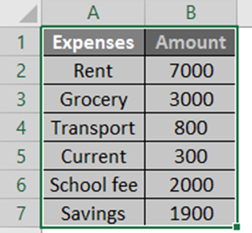
EXPENSES | AMOUNT
Rent | 7000
Grocery | 3000
Transport | 800
Current | 300
School fee | 2000
Savings | 1900

